Regression Using SAS
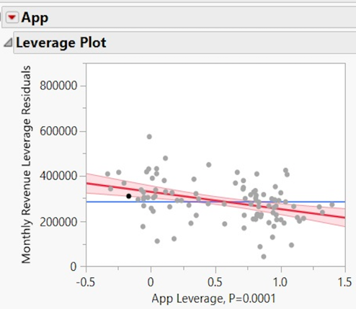
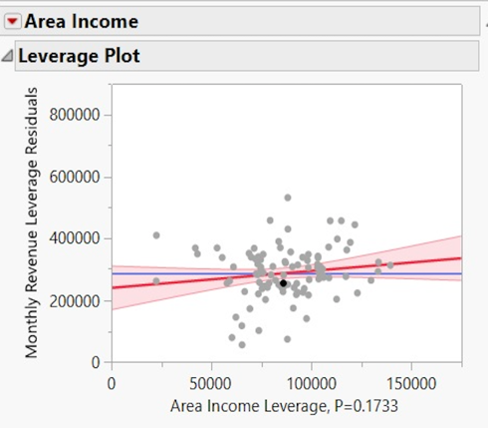
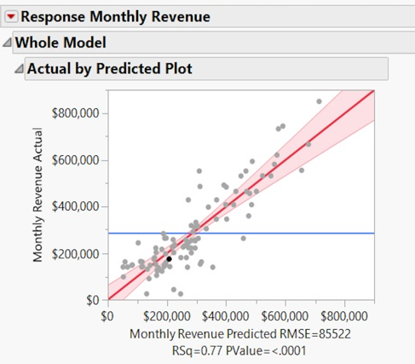
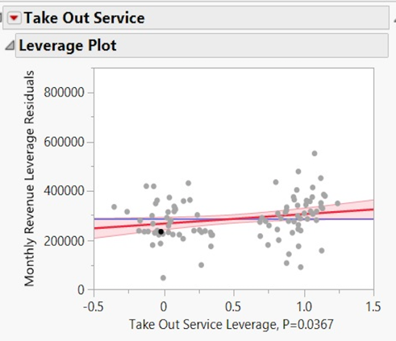
Restaurants | App | Take Out Service | Area Income | Town Population | Outdoor Dining | Distance from Town Center | Monthly Revenue
LPK | 1 | 0 | $55,015 | 70,000 | 0 | 4 | $147,900
WDU | 0 | 1 | $60,145 | 140,000 | 0 | 2 | $492,000
LJP | 1 | 0 | $55,514 | 50,000 | 0 | 5 | $148,000
SMM | 1 | 1 | $69,560 | 130,000 | 0 | 5 | $225,000
SLV | 0 | 1 | $76,000 | 140,000 | 0 | 3 | $428,583
NGT | 0 | 1 | $100,609 | 110,000 | 0 | 4 | $315,146
WWD | 1 | 0 | $66,276 | 50,000 | 0 | 3 | $136,700
ARR | 0 | 0 | $78,600 | 100,000 | 0 | 5 | $174,896
PLM | 1 | 1 | $98,712 | 80,000 | 0 | 5 | $264,271
AVL | 0 | 1 | $55,000 | 190,000 | 1 | 2 | $531,708
SPK | 1 | 1 | $65,349 | 110,000 | 0 | 6 | $174,208
FJK | 1 | 1 | $69,162 | 90,000 | 0 | 6 | $142,583
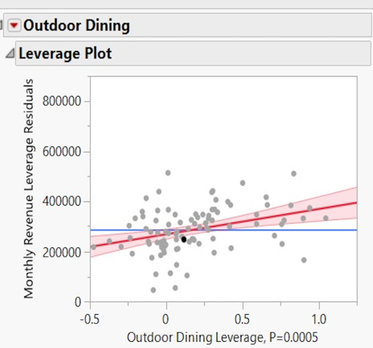
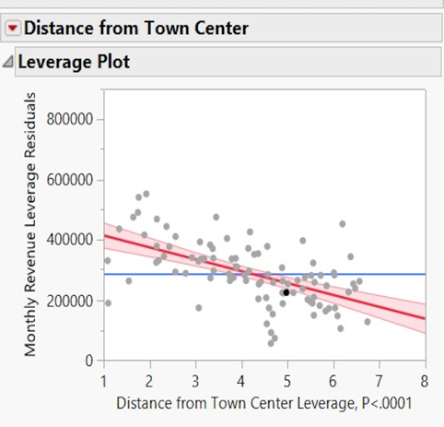
SRD | 1 | 1 | $55,907 | 80,000 | 0 | 2 | $139,833
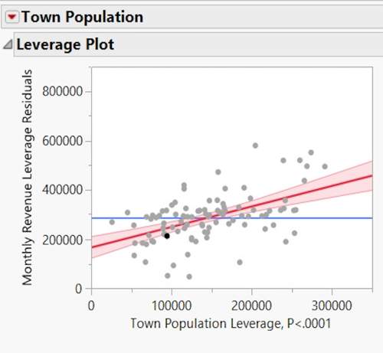
VAR | 1 | 1 | $99,760 | 100,000 | 1 | 5 | $263,583
DME | 1 | 0 | $98,000 | 120,000 | 0 | 2 | $428,583
SET | 0 | 1 | $55,000 | 120,000 | 0 | 7 | $264,958
RJM | 0 | 1 | $110,000 | 150,000 | 0 | 3 | $407,958 |  |  | * The screenshots are attached from the SAS file we applied regression on.
MJW | 1 | 0 | $61,487 | 30,000 | 0 | 5 | $162,750
SJP | 1 | 1 | $76,000 | 90,000 | 0 | 7 | $244,333
PT | 1 | 1 | $135,000 | 190,000 | 0 | 2 | $407,958
CHH | 1 | 0 | $88,560 | 140,000 | 0 | 2 | $332,333
MCE | 1 | 0 | $81,394 | 50,000 | 0 | 6 | $98,583
LJP | 1 | 1 | $68,000 | 70,000 | 0 | 5 | $131,583
SMM | 1 | 0 | $78,188 | 100,000 | 0 | 6 | $162,750
SLV | 0 | 0 | $83,944 | 100,000 | 0 | 7 | $181,083
NGT | 0 | 0 | $49,000 | 60,000 | 0 | 5 | $152,208
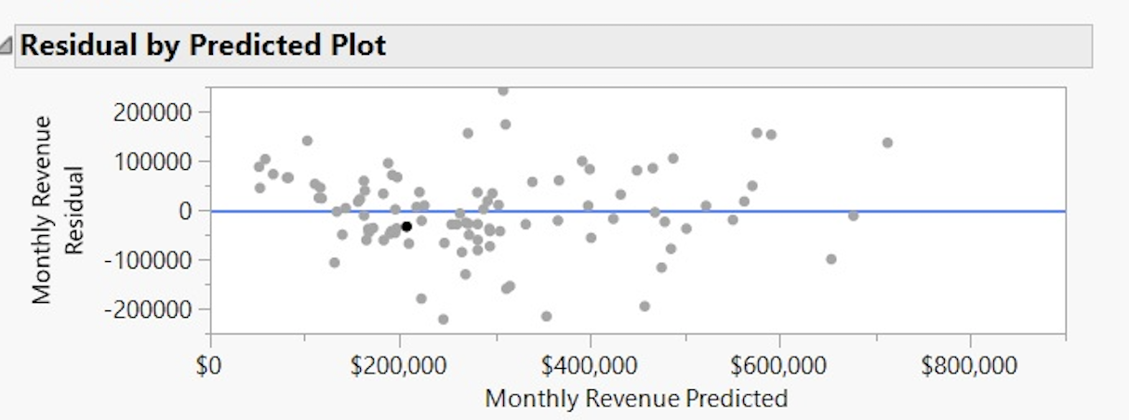
WWD | 1 | 1 | $55,000 | 160,000 | 0 | 6 | $216,833
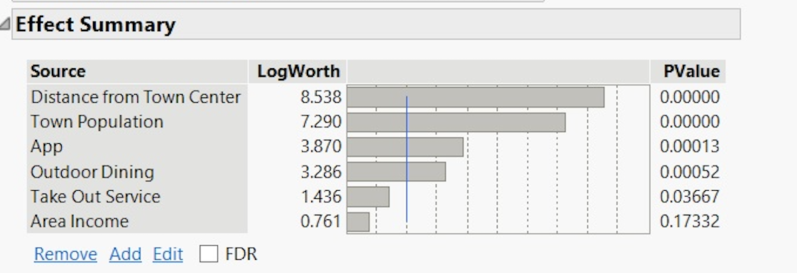
ARR | 0 | 1 | $94,781 | 120,000 | 0 | 5 | $222,333
ART | 1 | 1 | $75,000 | 110,000 | 0 | 4 | $202,396
ABB | 1 | 0 | $58,000 | 100,000 | 0 | 4 | $222,333
CCF | 0 | 1 | $137,000 | 170,000 | 1 | 2 | $531,708
AGT | 0 | 0 | $60,241 | 70,000 | 0 | 7 | $164,583
AWS | 1 | 1 | $85,095 | 60,000 | 0 | 6 | $165,271
CJE | 1 | 1 | $95,419 | 150,000 | 0 | 7 | $203,771
CZO | 0 | 1 | $67,000 | 80,000 | 0 | 3 | $153,583
YER | 1 | 1 | $79,500 | 110,000 | 0 | 4 | $258,083
WWK | 0 | 0 | $88,000 | 200,000 | 0 | 3 | $483,583
PLM | 0 | 0 | $147,700 | 320,000 | 1 | 4 | $744,833
AVL | 0 | 1 | $93,772 | 120,000 | 0 | 6 | $181,083
SPK | 1 | 1 | $98,868 | 240,000 | 0 | 5 | $162,750 |  |  |  |  | FINAL OUTPUT
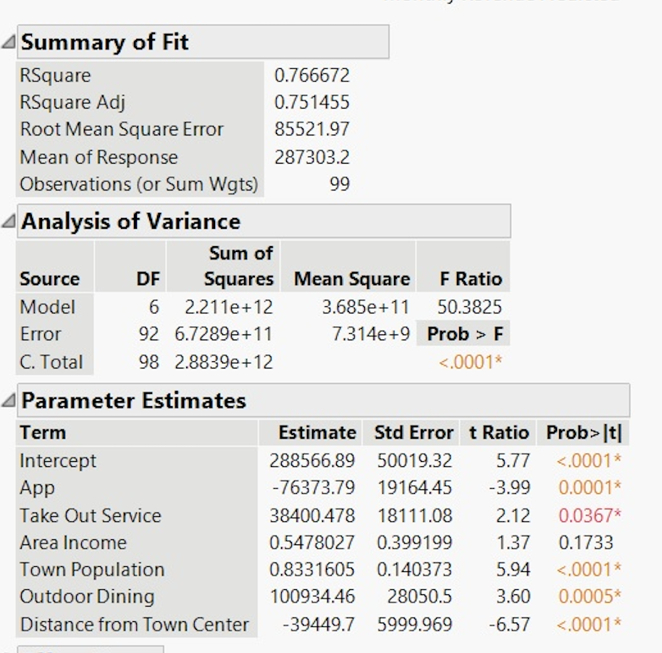
FJK | 0 | 1 | $87,000 | 120,000 | 1 | 3 | $263,583
SRD | 1 | 1 | $97,982 | 110,000 | 0 | 3 | $311,708 |  | Restaruants | App | Take Out Servce | Area Income | Town Pop | OutDoor Dining | Distance from Town Center | Revenue
VAR | 0 | 1 | $76,000 | 130,000 | 0 | 5 | $291,083 |  | PPI | 0 | 1 | $56,000 | 29,000 | 1 | 9 | 127693.24
DME | 0 | 0 | $114,767 | 110,000 | 0 | 3 | $397,646 |  | TRE | 0 | 0 | $110,000 | 115,000 | 0 | 1 | 405189.15
SET | 1 | 0 | $98,116 | 110,000 | 0 | 4 | $283,797 |  | GGT | 1 | 1 | $67,000 | 252,000 | 0 | 3 | 378903.95
RJM | 1 | 0 | $76,392 | 190,000 | 0 | 6 | $129,521 |  | MND | 0 | 0 | $105,000 | 71,000 | 0 | 2 | 326341.35
RAK | 0 | 1 | $124,670 | 100,000 | 1 | 2 | $407,958 |  | WRT | 0 | 1 | $67,000 | 150,000 | 1 | 1 | 550129.35
RIM | 1 | 0 | $65,829 | 230,000 | 0 | 6 | $43,957 |  | GFR | 0 | 1 | $74,000 | 120,000 | 0 | 7 | 191336.23
BEK | 0 | 0 | $98,000 | 110,000 | 0 | 5 | $226,470 |  | WWW | 1 | 1 | $130,000 | 75,000 | 1 | 2 | 406330.25
ELM | 1 | 0 | $76,757 | 250,000 | 0 | 8 | $104,960 |  | QWE | 0 | 0 | $51,000 | 100,000 | 0 | 4 | 229792.87
GDJ | 0 | 1 | $137,000 | 110,000 | 0 | 3 | $346,083 |  | FGR | 1 | 0 | $45,000 | 47,600 | 0 | 3 | 158153.82
MDD | 1 | 1 | $113,259 | 150,000 | 0 | 4 | $254,417 |  | SSC | 0 | 1 | $72,000 | 91,000 | 1 | 11 | 109214.52
MJM | 1 | 0 | $57,000 | 200,000 | 0 | 7 | $25,708 |  | SAE | 1 | 1 | $85,600 | 68,000 | 1 | 4 | 2972776.29
PAK | 0 | 1 | $117,263 | 110,000 | 1 | 3 | $359,833
PFK | 1 | 0 | $54,712 | 200,000 | 0 | 7 | $90,726
ETY | 0 | 1 | $95,008 | 180,000 | 0 | 4 | $139,833
HGD | 0 | 0 | $138,000 | 100,000 | 1 | 3 | $530,997
PIN | 1 | 0 | $53,000 | 100,000 | 0 | 2 | $25,250
BFE | 1 | 0 | $84,058 | 210,000 | 0 | 4 | $223,448
EFR | 1 | 0 | $65,967 | 210,000 | 0 | 6 | $160,458
MJK | 1 | 0 | $69,000 | 230,000 | 0 | 6 | $149,789
TAC | 0 | 1 | $87,000 | 110,000 | 0 | 5 | $257,402
TEY | 0 | 1 | $152,300 | 290,000 | 1 | 3 | $555,460
SAM | 1 | 0 | $64,635 | 240,000 | 0 | 7 | $122,972
CEW | 1 | 0 | $59,710 | 150,000 | 0 | 6 | $140,615
AIZ | 0 | 1 | $104,493 | 110,000 | 1 | 2 | $464,938 | *As it is observed that all the values are similar when we do regression by excel or by SAS(Jmp) and hence our final ouput is also the same.
HEN | 1 | 0 | $75,999 | 230,000 | 0 | 6 | $149,789
MDT | 0 | 0 | $105,764 | 160,000 | 0 | 5 | $245,115
SDE | 0 | 1 | $165,000 | 330,000 | 1 | 2 | $850,853
EFC | 0 | 0 | $91,950 | 190,000 | 0 | 5 | $257,402
LMC | 0 | 0 | $55,600 | 300,000 | 1 | 2 | $733,258
THH | 1 | 0 | $93,701 | 170,000 | 0 | 5 | $236,083
KNE | 0 | 1 | $106,815 | 110,000 | 0 | 5 | $245,115
DMJ | 1 | 0 | $118,081 | 190,000 | 0 | 6 | $142,583
MCC | 1 | 1 | $75,217 | 160,000 | 0 | 4 | $231,958
JAK | 1 | 0 | $85,407 | 190,000 | 0 | 5 | $142,583
BLM | 1 | 1 | $105,443 | 290,000 | 1 | 2 | $621,083
JJJ | 1 | 1 | $106,572 | 140,000 | 1 | 2 | $464,938
CJG | 1 | 1 | $76,255 | 130,000 | 0 | 2 | $485,968
BER | 0 | 0 | $119,476 | 160,000 | 0 | 6 | $181,083
CHM | 0 | 1 | $145,000 | 300,000 | 1 | 2 | $666,917
JDN | 0 | 1 | $150,000 | 190,000 | 0 | 3 | $464,938
SEG | 1 | 0 | $51,294 | 80,000 | 0 | 6 | $140,615
KLR | 0 | 0 | $53,007 | 280,000 | 0 | 2 | $552,333
LPE | 1 | 1 | $54,000 | 50,000 | 0 | 6 | $140,615
IJN | 1 | 1 | $67,867 | 100,000 | 0 | 2 | $318,583
EFD | 0 | 0 | $96,018 | 140,000 | 1 | 2 | $456,083
UHG | 0 | 0 | $75,944 | 150,000 | 0 | 4 | $253,271
ODN | 0 | 0 | $118,513 | 220,000 | 1 | 2 | $581,070
EDJ | 1 | 1 | $75,000 | 50,000 | 0 | 6 | $149,789
ENK | 0 | 1 | $103,247 | 140,000 | 0 | 3 | $346,083
LPK | 1 | 1 | $81,145 | 120,000 | 0 | 3 | $222,333
WDU | 1 | 0 | $90,380 | 90,000 | 0 | 4 | $197,583
LJP | 1 | 0 | $67,000 | 130,000 | 0 | 2 | $201,708
SMM | 1 | 0 | $58,000 | 50,000 | 0 | 3 | $123,333
SLV | 1 | 0 | $107,034 | 100,000 | 1 | 3 | $304,833
NGT | 0 | 1 | $94,425 | 200,000 | 0 | 6 | $552,333
WWD | 0 | 1 | $57,000 | 240,000 | 0 | 2 | $593,583
ARR | 0 | 1 | $67,800 | 180,000 | 0 | 2 | $407,958

NEURAL NET
Restaurants | App | Take Out Service | Area Income | Town Population | Outdoor Dining | Distance from Town Center | Monthly Revenue
LPK | 1 | 0 | $55,015 | 70,000 | 0 | 4 | $147,900
WDU | 0 | 1 | $60,145 | 140,000 | 0 | 2 | $492,000
LJP | 1 | 0 | $55,514 | 50,000 | 0 | 5 | $148,000 | Once you have estimated your expected revenue with regression, run the analysis with a neural net and compare the two projections.
SMM | 1 | 1 | $69,560 | 130,000 | 0 | 5 | $225,000
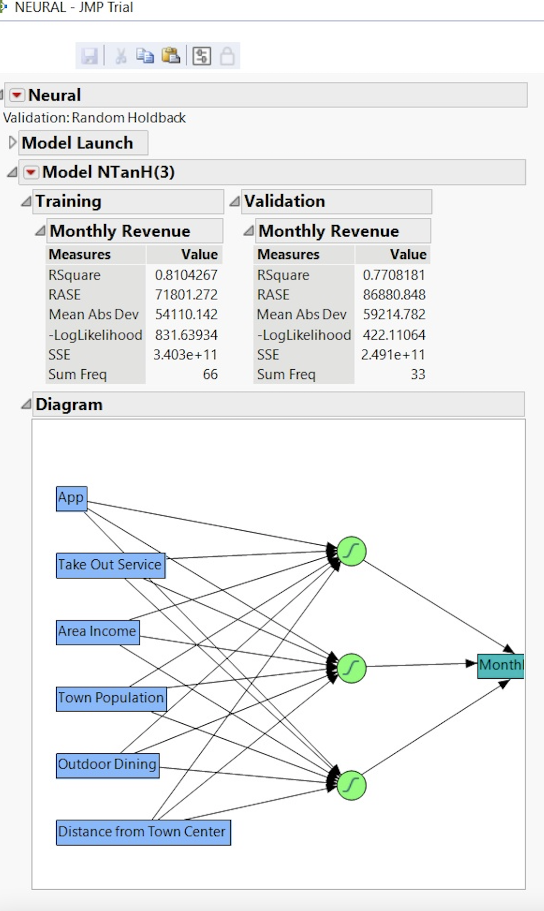
SLV | 0 | 1 | $76,000 | 140,000 | 0 | 3 | $428,583
NGT | 0 | 1 | $100,609 | 110,000 | 0 | 4 | $315,146
WWD | 1 | 0 | $66,276 | 50,000 | 0 | 3 | $136,700
ARR | 0 | 0 | $78,600 | 100,000 | 0 | 5 | $174,896
PLM | 1 | 1 | $98,712 | 80,000 | 0 | 5 | $264,271
AVL | 0 | 1 | $55,000 | 190,000 | 1 | 2 | $531,708
SPK | 1 | 1 | $65,349 | 110,000 | 0 | 6 | $174,208
FJK | 1 | 1 | $69,162 | 90,000 | 0 | 6 | $142,583
SRD | 1 | 1 | $55,907 | 80,000 | 0 | 2 | $139,833
VAR | 1 | 1 | $99,760 | 100,000 | 1 | 5 | $263,583
DME | 1 | 0 | $98,000 | 120,000 | 0 | 2 | $428,583
SET | 0 | 1 | $55,000 | 120,000 | 0 | 7 | $264,958
RJM | 0 | 1 | $110,000 | 150,000 | 0 | 3 | $407,958
MJW | 1 | 0 | $61,487 | 30,000 | 0 | 5 | $162,750
SJP | 1 | 1 | $76,000 | 90,000 | 0 | 7 | $244,333
PT | 1 | 1 | $135,000 | 190,000 | 0 | 2 | $407,958
CHH | 1 | 0 | $88,560 | 140,000 | 0 | 2 | $332,333
MCE | 1 | 0 | $81,394 | 50,000 | 0 | 6 | $98,583
LJP | 1 | 1 | $68,000 | 70,000 | 0 | 5 | $131,583
SMM | 1 | 0 | $78,188 | 100,000 | 0 | 6 | $162,750
SLV | 0 | 0 | $83,944 | 100,000 | 0 | 7 | $181,083
NGT | 0 | 0 | $49,000 | 60,000 | 0 | 5 | $152,208
WWD | 1 | 1 | $55,000 | 160,000 | 0 | 6 | $216,833
ARR | 0 | 1 | $94,781 | 120,000 | 0 | 5 | $222,333
ART | 1 | 1 | $75,000 | 110,000 | 0 | 4 | $202,396
ABB | 1 | 0 | $58,000 | 100,000 | 0 | 4 | $222,333
CCF | 0 | 1 | $137,000 | 170,000 | 1 | 2 | $531,708 |  |  | Comparison
AGT | 0 | 0 | $60,241 | 70,000 | 0 | 7 | $164,583
AWS | 1 | 1 | $85,095 | 60,000 | 0 | 6 | $165,271 |  | Our Regression Analysis has an RSquare value of 0.77, and our Neural Network has a similar RSquare value of 0.81.
CJE | 1 | 1 | $95,419 | 150,000 | 0 | 7 | $203,771 |  | An RSquare value of 1.0 would indicate that 100% of the variation in the dependent variable is caused by the independent variables.
CZO | 0 | 1 | $67,000 | 80,000 | 0 | 3 | $153,583 |  | Our RSquare values indicate that well over half (77% and 81%) of the variation in claims prices is caused by the seven factors we looked at.
YER | 1 | 1 | $79,500 | 110,000 | 0 | 4 | $258,083
WWK | 0 | 0 | $88,000 | 200,000 | 0 | 3 | $483,583
PLM | 0 | 0 | $147,700 | 320,000 | 1 | 4 | $744,833
AVL | 0 | 1 | $93,772 | 120,000 | 0 | 6 | $181,083
SPK | 1 | 1 | $98,868 | 240,000 | 0 | 5 | $162,750
FJK | 0 | 1 | $87,000 | 120,000 | 1 | 3 | $263,583
SRD | 1 | 1 | $97,982 | 110,000 | 0 | 3 | $311,708
VAR | 0 | 1 | $76,000 | 130,000 | 0 | 5 | $291,083
DME | 0 | 0 | $114,767 | 110,000 | 0 | 3 | $397,646
SET | 1 | 0 | $98,116 | 110,000 | 0 | 4 | $283,797
RJM | 1 | 0 | $76,392 | 190,000 | 0 | 6 | $129,521
RAK | 0 | 1 | $124,670 | 100,000 | 1 | 2 | $407,958
RIM | 1 | 0 | $65,829 | 230,000 | 0 | 6 | $43,957
BEK | 0 | 0 | $98,000 | 110,000 | 0 | 5 | $226,470
ELM | 1 | 0 | $76,757 | 250,000 | 0 | 8 | $104,960
GDJ | 0 | 1 | $137,000 | 110,000 | 0 | 3 | $346,083
MDD | 1 | 1 | $113,259 | 150,000 | 0 | 4 | $254,417
MJM | 1 | 0 | $57,000 | 200,000 | 0 | 7 | $25,708
PAK | 0 | 1 | $117,263 | 110,000 | 1 | 3 | $359,833
PFK | 1 | 0 | $54,712 | 200,000 | 0 | 7 | $90,726
ETY | 0 | 1 | $95,008 | 180,000 | 0 | 4 | $139,833
HGD | 0 | 0 | $138,000 | 100,000 | 1 | 3 | $530,997
PIN | 1 | 0 | $53,000 | 100,000 | 0 | 2 | $25,250
BFE | 1 | 0 | $84,058 | 210,000 | 0 | 4 | $223,448
EFR | 1 | 0 | $65,967 | 210,000 | 0 | 6 | $160,458
MJK | 1 | 0 | $69,000 | 230,000 | 0 | 6 | $149,789
TAC | 0 | 1 | $87,000 | 110,000 | 0 | 5 | $257,402
TEY | 0 | 1 | $152,300 | 290,000 | 1 | 3 | $555,460
SAM | 1 | 0 | $64,635 | 240,000 | 0 | 7 | $122,972
CEW | 1 | 0 | $59,710 | 150,000 | 0 | 6 | $140,615
AIZ | 0 | 1 | $104,493 | 110,000 | 1 | 2 | $464,938
HEN | 1 | 0 | $75,999 | 230,000 | 0 | 6 | $149,789
MDT | 0 | 0 | $105,764 | 160,000 | 0 | 5 | $245,115
SDE | 0 | 1 | $165,000 | 330,000 | 1 | 2 | $850,853
EFC | 0 | 0 | $91,950 | 190,000 | 0 | 5 | $257,402
LMC | 0 | 0 | $55,600 | 300,000 | 1 | 2 | $733,258
THH | 1 | 0 | $93,701 | 170,000 | 0 | 5 | $236,083
KNE | 0 | 1 | $106,815 | 110,000 | 0 | 5 | $245,115
DMJ | 1 | 0 | $118,081 | 190,000 | 0 | 6 | $142,583
MCC | 1 | 1 | $75,217 | 160,000 | 0 | 4 | $231,958
JAK | 1 | 0 | $85,407 | 190,000 | 0 | 5 | $142,583
BLM | 1 | 1 | $105,443 | 290,000 | 1 | 2 | $621,083
JJJ | 1 | 1 | $106,572 | 140,000 | 1 | 2 | $464,938
CJG | 1 | 1 | $76,255 | 130,000 | 0 | 2 | $485,968
BER | 0 | 0 | $119,476 | 160,000 | 0 | 6 | $181,083
CHM | 0 | 1 | $145,000 | 300,000 | 1 | 2 | $666,917
JDN | 0 | 1 | $150,000 | 190,000 | 0 | 3 | $464,938
SEG | 1 | 0 | $51,294 | 80,000 | 0 | 6 | $140,615
KLR | 0 | 0 | $53,007 | 280,000 | 0 | 2 | $552,333
LPE | 1 | 1 | $54,000 | 50,000 | 0 | 6 | $140,615
IJN | 1 | 1 | $67,867 | 100,000 | 0 | 2 | $318,583
EFD | 0 | 0 | $96,018 | 140,000 | 1 | 2 | $456,083
UHG | 0 | 0 | $75,944 | 150,000 | 0 | 4 | $253,271
ODN | 0 | 0 | $118,513 | 220,000 | 1 | 2 | $581,070
EDJ | 1 | 1 | $75,000 | 50,000 | 0 | 6 | $149,789
ENK | 0 | 1 | $103,247 | 140,000 | 0 | 3 | $346,083
LPK | 1 | 1 | $81,145 | 120,000 | 0 | 3 | $222,333
WDU | 1 | 0 | $90,380 | 90,000 | 0 | 4 | $197,583
LJP | 1 | 0 | $67,000 | 130,000 | 0 | 2 | $201,708
SMM | 1 | 0 | $58,000 | 50,000 | 0 | 3 | $123,333
SLV | 1 | 0 | $107,034 | 100,000 | 1 | 3 | $304,833
NGT | 0 | 1 | $94,425 | 200,000 | 0 | 6 | $552,333
WWD | 0 | 1 | $57,000 | 240,000 | 0 | 2 | $593,583
ARR | 0 | 1 | $67,800 | 180,000 | 0 | 2 | $407,958

